Sheet1
 | Page | Registration form
 | Author
 | Link | https://demoqa.com/automation-practice-form

Test Case ID | Test Scenario | Test Case Summary | Pre-condition | Test Steps | Test Data | Expected Result | Actual Result | Result | Comment
TC_REGIS_001 | Verify the UI like desgisn | Verify the website fits the screen size |  | 1. Open the browser and observe the website |  | The website should fit with the screen side | 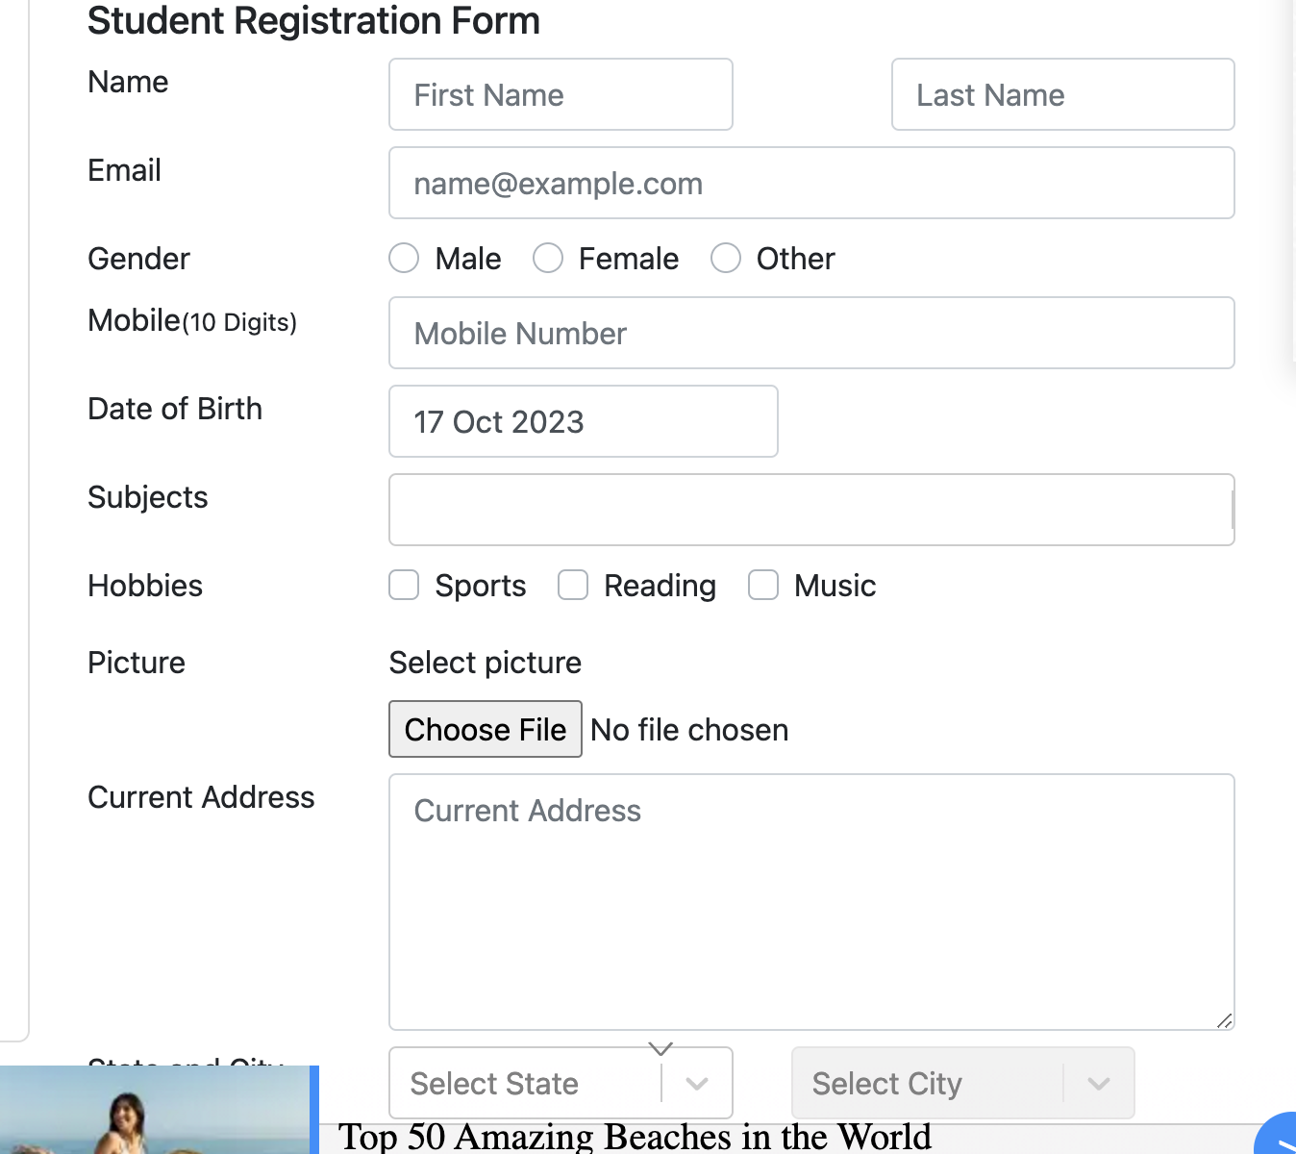 | FAIL
TC_REGIS_002 |  | Verify the elements are displayed as the design |  | 1. Open the browser and observe the website |  | All elements are displayed properly as the design | 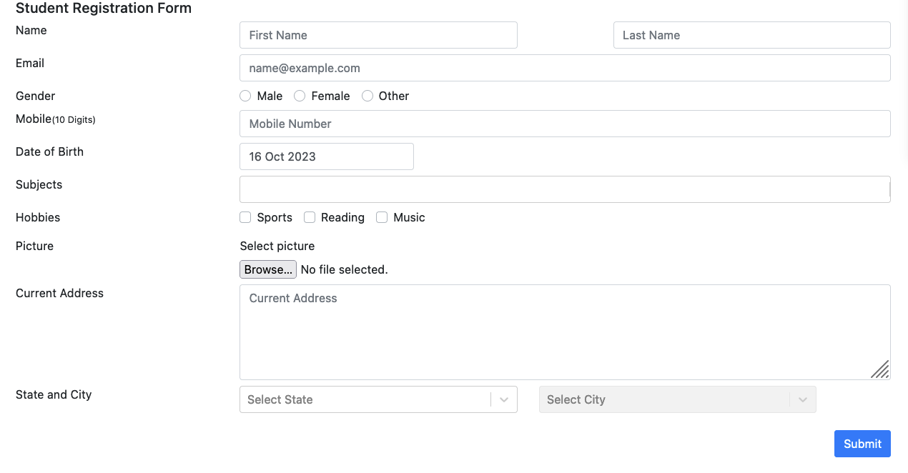 | PASS
TC_REGIS_003 |  | Verify the cursor displays and the border text field is highlighted when user clicking |  | 1. Open the browser 2. Click on any fields |  | The cursor should be displayed and the border text field should be highlighted when user clicking | 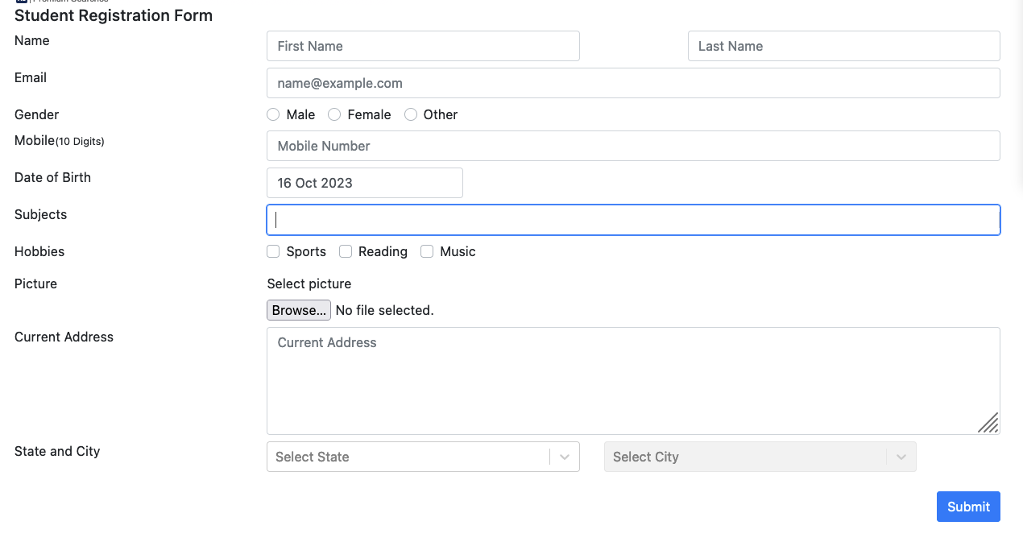 | PASS
TC_REGIS_004 |  | Verify tab and shift-tab order navigation |  | 1. Open the browser 2. Press Tab / Shift +Tab on the keyboard |  | 1.Direction of tab order is from left to right and from top to bottom 2. Direction of shift-tab order is from right to left and from bottom to top | As expected | PASS
TC_REGIS_005 | Verify user submit the form successfully | Verify user submits the form successfully when providing valid data |  | 1. Open the browser 2. Enter valid data into all fields 3. Click on "Submit" button 4. Click on "Close" button in the pop -up | First name: Thanh Hang Last name: Nguyen email: thanhhang724@gmail.com Gender: Female Mobile: 0901846505 Date of birth: 12 Mar 1999 Subject: Chemistry, Physics, Maths Hobbies: Reading, Sports, Music Picture: screenshot.png Current address: Ho Chi Minh State and city: NCR : Dehli | 1. User can submit the form successfully 2. Show a pop-up containing "Thanks for submitting the form" message and the entered information 3. The pop-up should disappear when clicking "Close button" and the form will be reset | 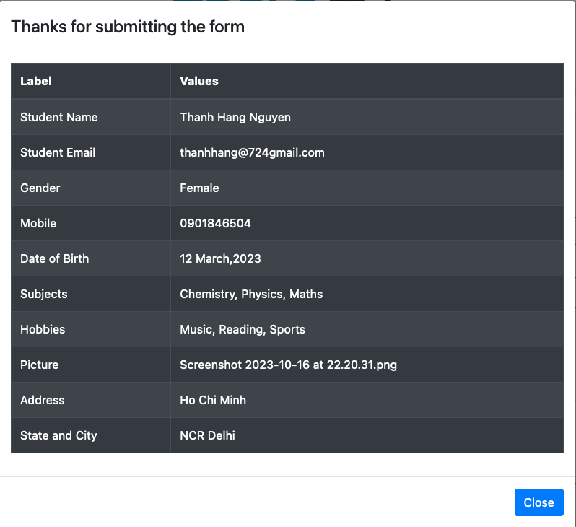 | PASS
TC_REGIS_006 |  | Verify user submits the form successfully when only providing mandatory fields with valid data |  | 1. Open the browser 2. Enter valid data into only the required fields 3. Click on "Submit" button 4. Click on "Close" button in the pop -up | First name: Thanh Hang Last name: Nguyen Gender: Female Mobile: 0901846504 Date of birth: 12 Mar 1999 | 1. User can submit the form successfully 2. Show a pop-up containing "Thanks for submitting the form" message and the entered information 3. The pop-up should disappear when clicking "Close button" and the form will be reset | 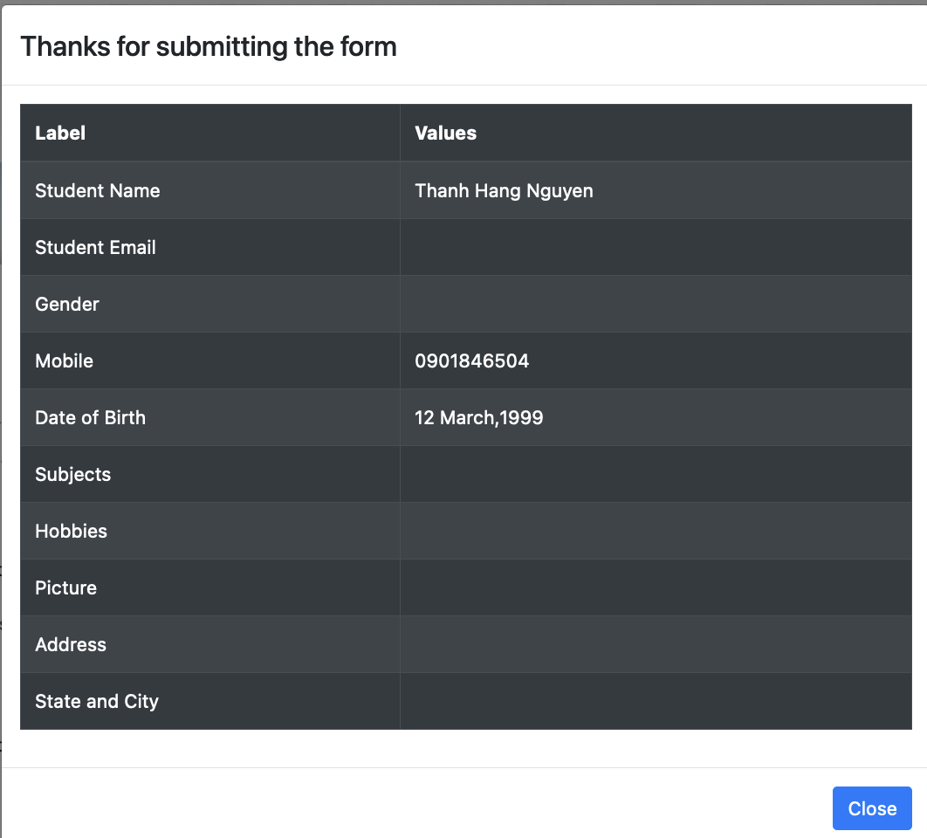 | PASS
TC_REGIS_007 |  | Verify user submits the form successfully when providing valid data by copying and pasting |  | 1. Open the browser 2. Copy and Paste valid data into the required fields 3. Click on "Submit" button 4. Click on "Close" button in the pop -up | First name: Thanh Hang Last name: Nguyen Gender: Female Mobile: 0901846504 Date of birth: 12 Mar 1999 | 1. User can submit the form successfully 2. Show a pop-up containing "Thanks for submitting the form" message and the entered information 3. The pop-up should disappear when clicking "Close button" and the form will be reset |  | PASS
TC_REGIS_008 | Verify user submit the form unsuccessfully | Verify there is a red warning symbol when leaves all fields as blank |  | 1. Open the browser 2. Click on "Submit button" |  | All madatory fields are highlighted with red border and contain a warning symbol | 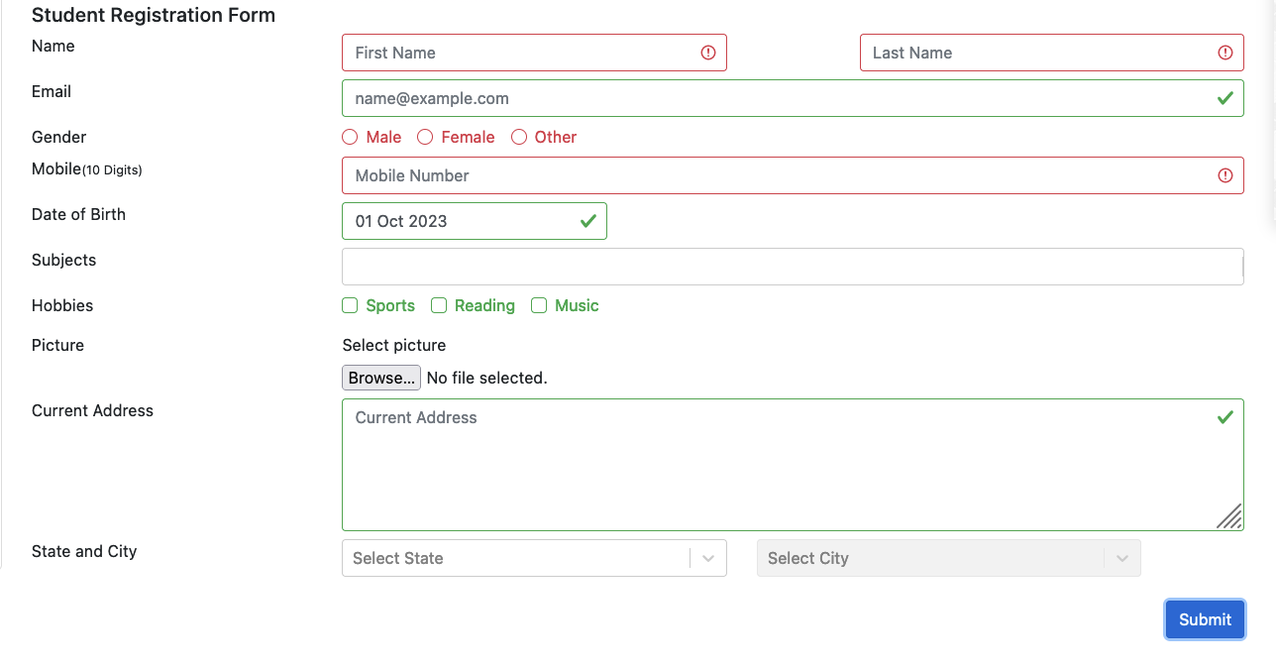 | PASS
TC_REGIS_009 |  | Verify there is a red warning symbol when leaving any mandatory fields blank |  | 1. Open the browser 2. Enter valid date into name field 3. Select gender 4 Select date of birth 5. Click on " Submit" button | First name: Thanh Hang Last name: Nguyen Gender: Female | Mobile field is highlighted with red border and contains a warning symbol | 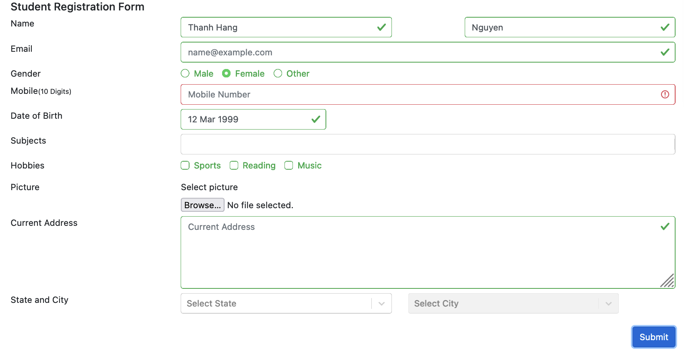 | PASS
TC_REGIS_010 |  | Verify there is a warning message when user provides the name field with non - latin characters |  | 1. Open the browser 2. Enter the name field uses non - latin characters 3. Enter the valid data into the remaining mandatory fields 3. Click on "Submit" button | First name: 김태 Last name: 형 Gender: Female Mobile: 0901846504 | Display a warning message " Only letters (a-z) are allowed" | 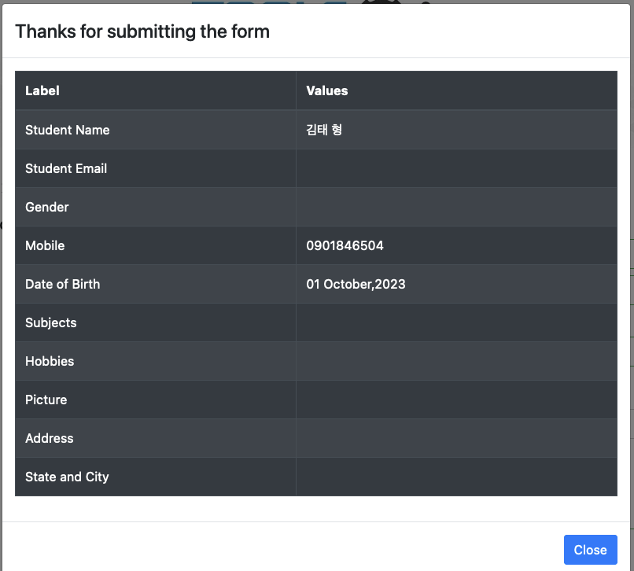 User can submit the form successfully | FAIL
TC_REGIS_011 |  | Verify there is a warning message when user provides the name field containing numbers |  | 1. Open the browser 2. Enter the name field with numbers 3. Enter the valid data into the remaining mandatory fields 3. Click on "Submit" button | First name: hang724 Last name: nguyen Gender: Female Mobile: 0901846504 | Display a warning message " Only letters (a-z) are allowed" | 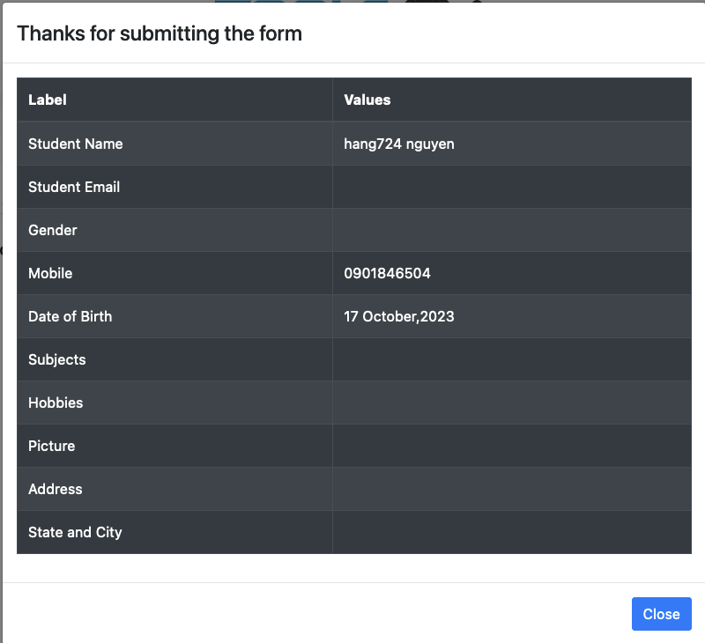 | FAIL
TC_REGIS_012 |  | Verify there is a warning message when user provides the name field containing special characters |  | 1. Open the browser 2. Enter the name field with special characters 3. Enter the valid data into the remaining mandatory fields 3. Click on "Submit" button | First name: hang@# Last name: nguyen Gender: Female Mobile: 0901846504 | Display a warning message " Only letters (a-z) are allowed" | 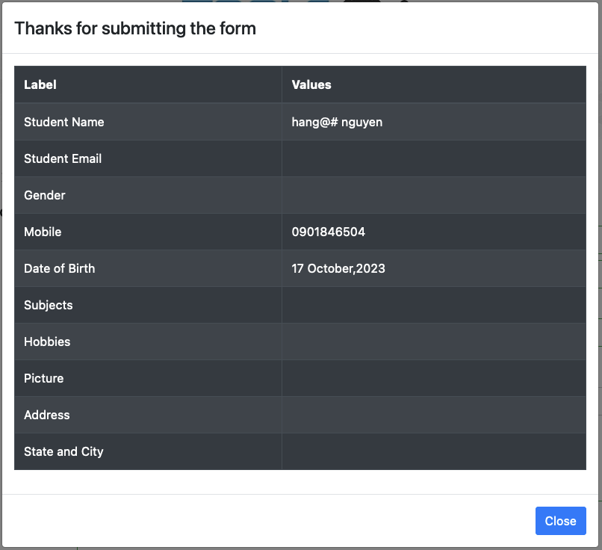 | FAIL
TC_REGIS_013 |  | Verify there is a warning when user provides the email fields with invalid domain |  | 1. Open the browser 2. Enter the email field with invalid domains 3. Enter the valid data into the remaining mandatory fields 3. Click on "Submit" button | thanhhang | The email field is highlighted with red border and contain an error symbol | 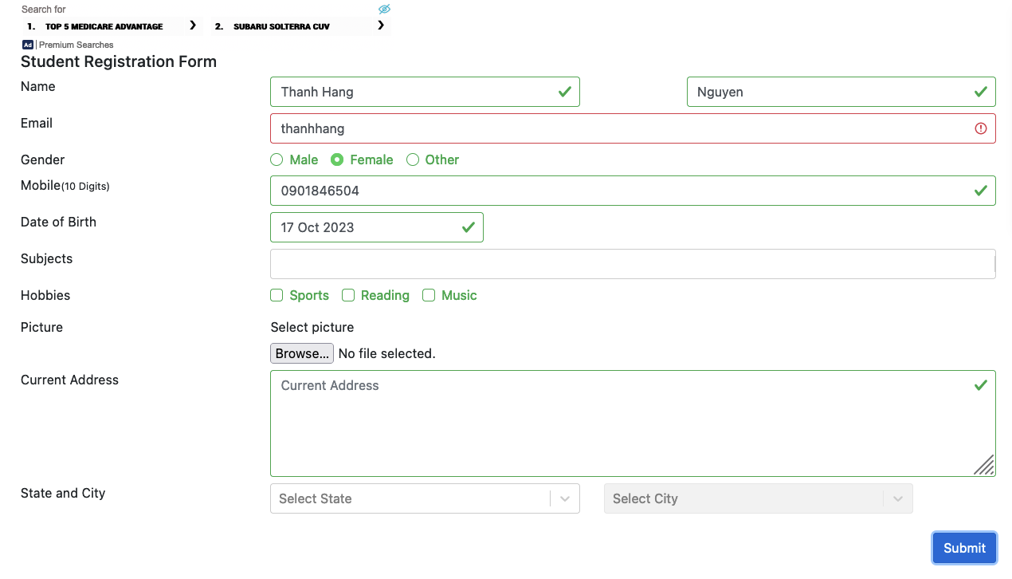 | PASS
TC_REGIS_014 |  |  |  |  | thanhhang@ |  | 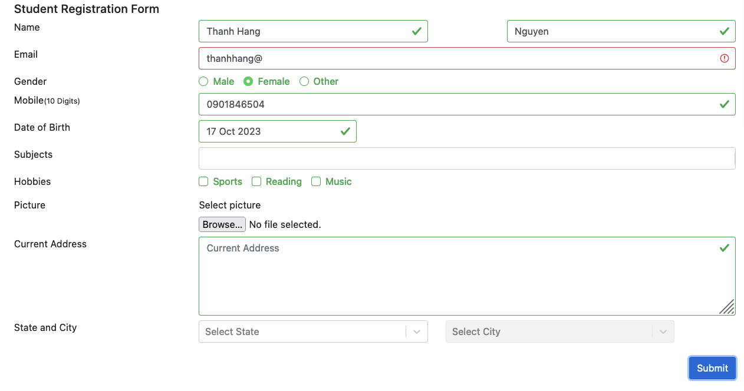 | PASS
TC_REGIS_015 |  |  |  |  | thanhhang@gmail |  | 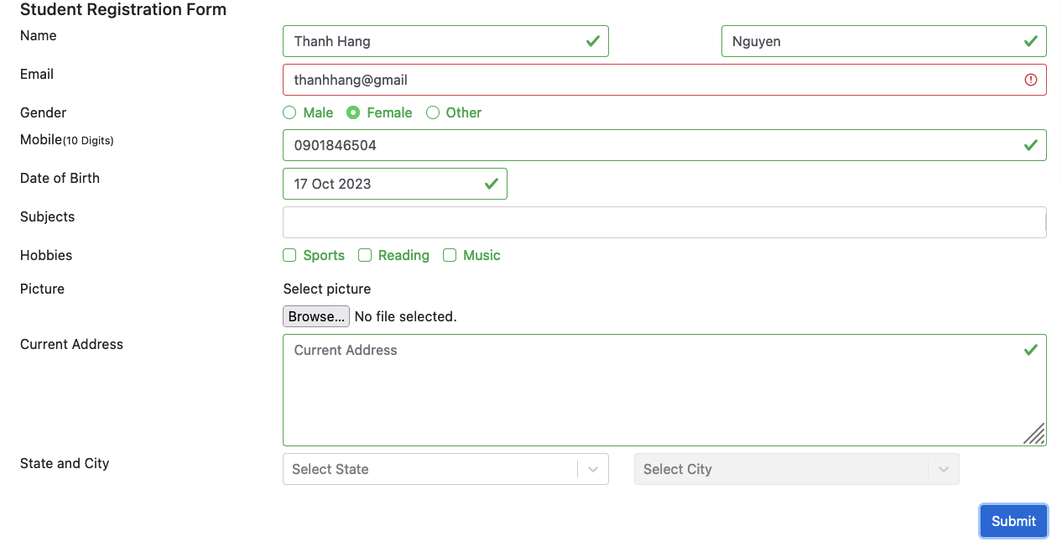 | PASS
TC_REGIS_016 |  |  |  |  | thanhhanggmail.com |  | 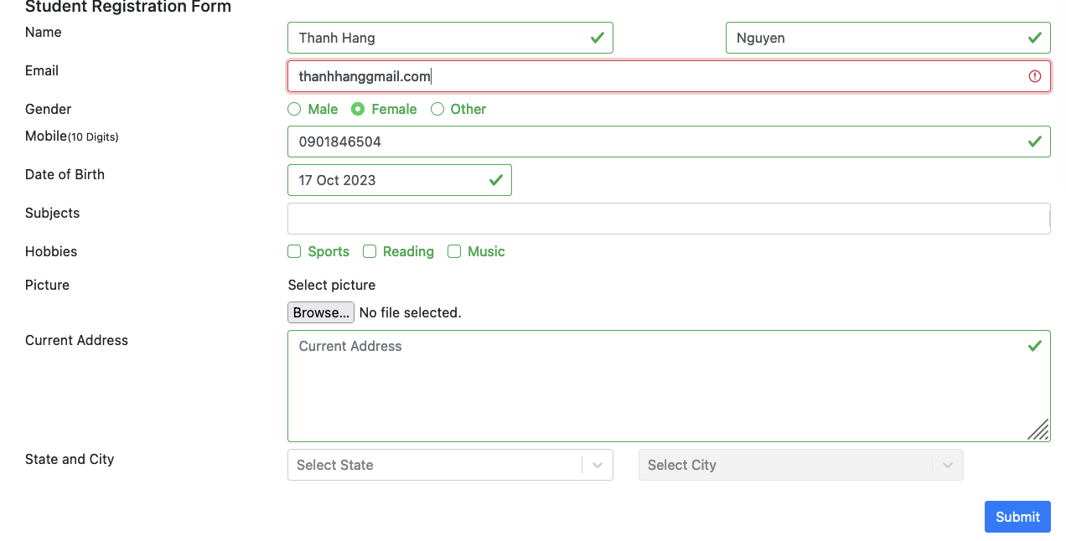 | PASS
TC_REGIS_017 |  |  |  |  | thanhhang@gmailcom |  | 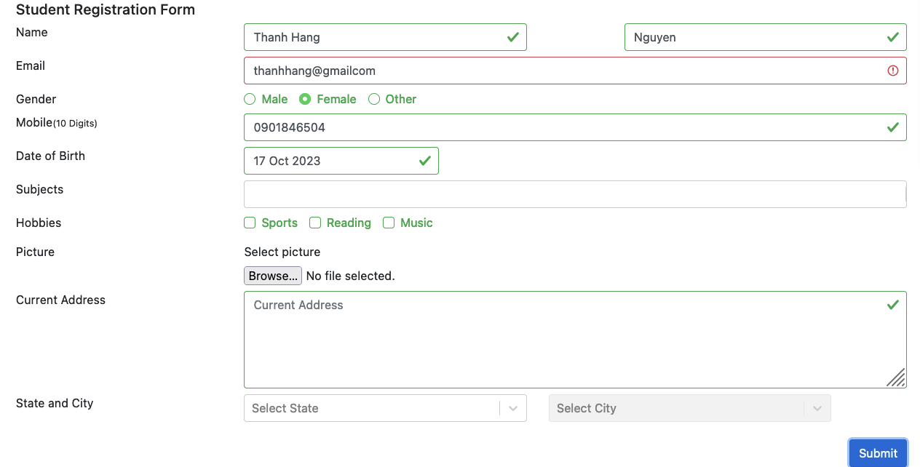 | PASS
TC_REGIS_018 |  |  |  |  | @gmail.com |  | 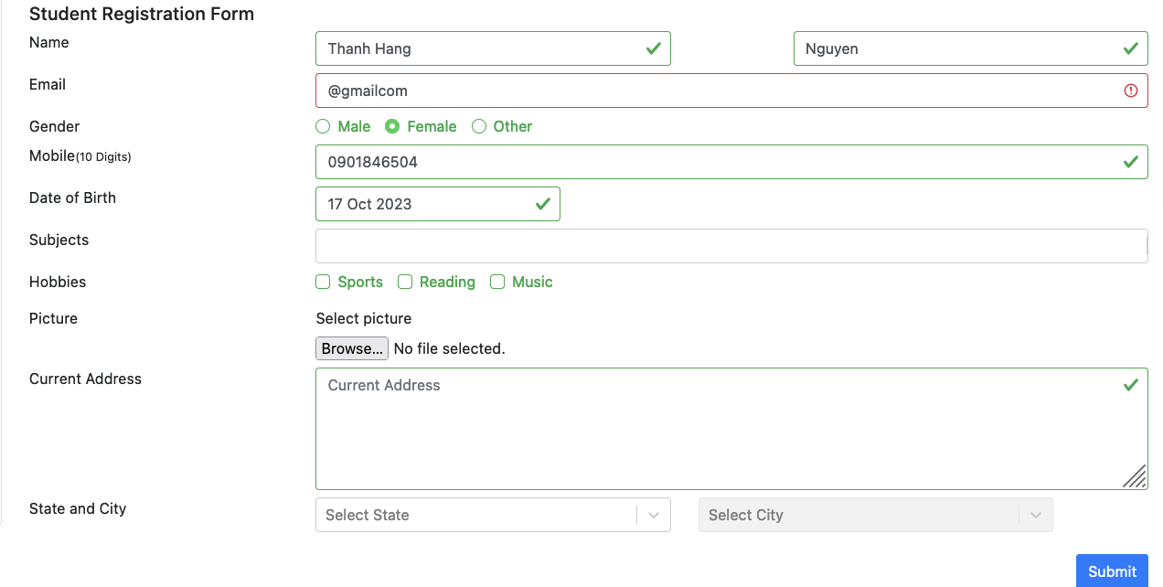 | PASS
TC_REGIS_019 |  | Verify there is a warning when user provides the email fields containing special characters |  | 1. Open the browser 2. Enter the email field containing special characters 3. Enter the valid data into the remaining mandatory fields 3. Click on "Submit" button | thanhhang/12@gmai.com | The email field is highlighted with red border and contain an error symbol | 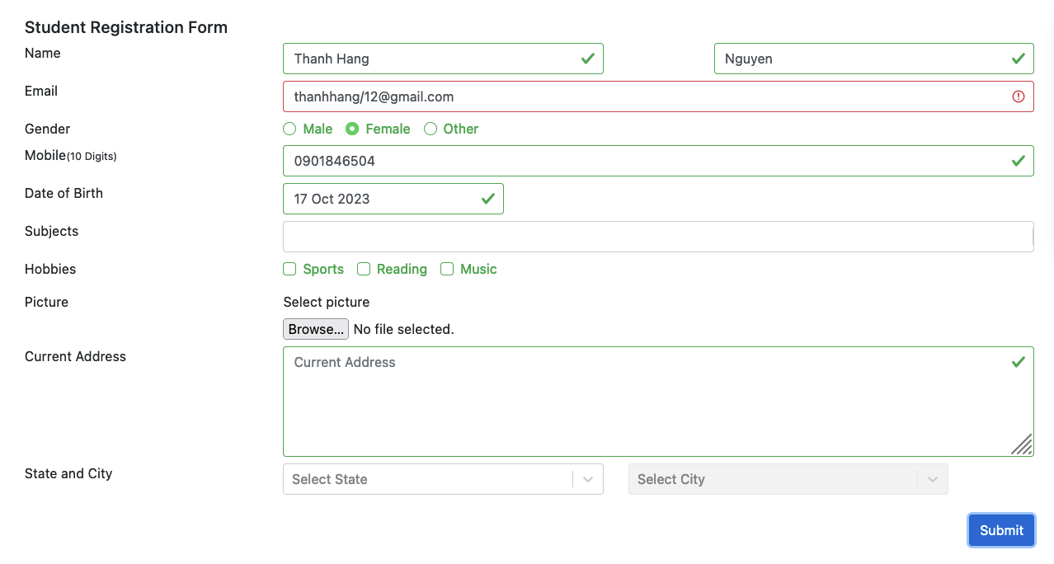 | PASS
TC_REGIS_020 |  | Verify there is a warning when user provides the email fields containing space in the local part |  | 1. Open the browser 2. Enter the email field containing space 3. Enter the valid data into the remaining mandatory fields 3. Click on "Submit" button | thanhhang 724@gmail.com | The email field is highlighted with red border and contain an error symbol | 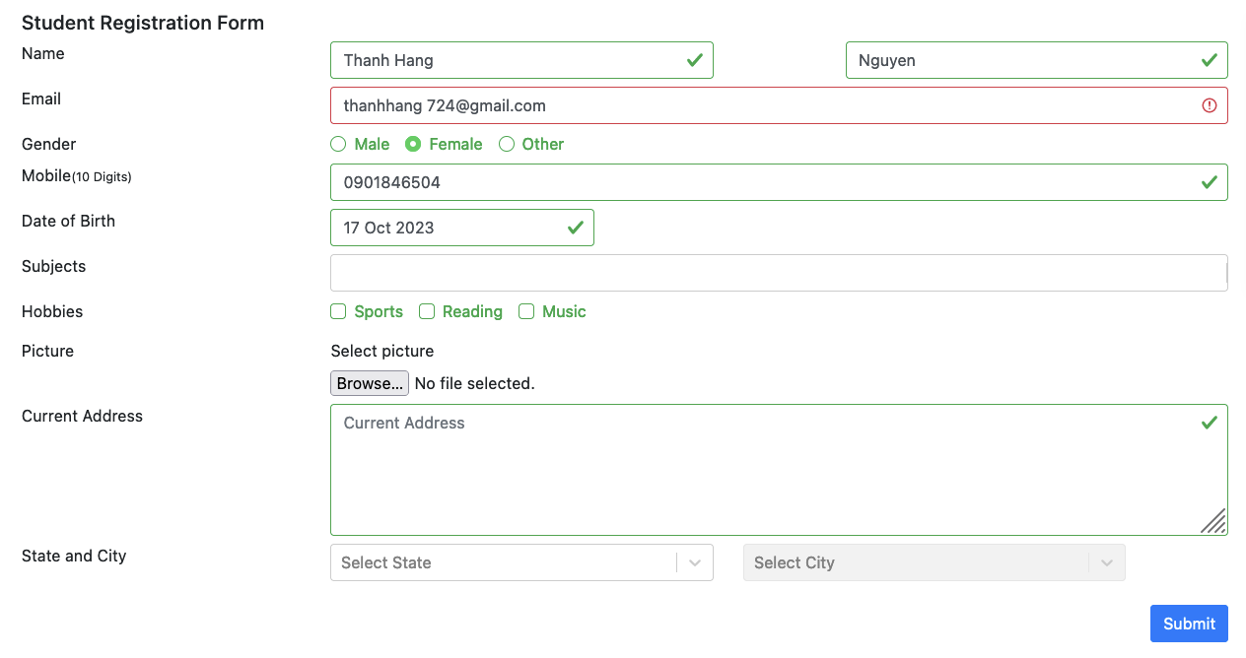 | PASS
TC_REGIS_021 |  | Verify there is a warning when user enters mobile field less than 10 digits |  | 1. Open the browser 2. Enter the mobile field less than 10 digits 3. Enter the valid data into the remaining mandatory fields 3. Click on "Submit" button | 090184650 | The mobile field is highlighted with red border and contain an error symbol | 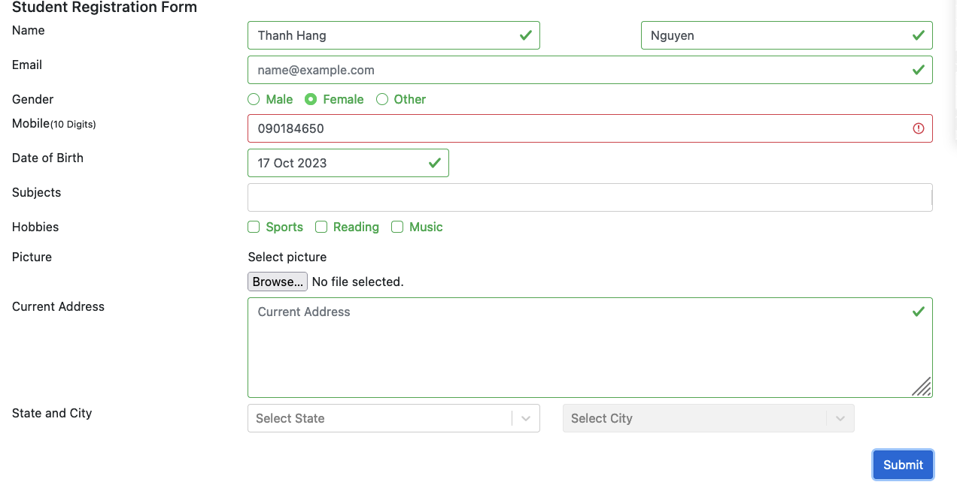 | PASS
TC_REGIS_022 |  | Verify user can not enter numbers exceed 10 digits |  | 1. Open the browser 2. Enter the mobile field more than 10 digits 3. Enter the valid data into the remaining mandatory fields 3. Click on "Submit" button | 09018465040 | User cannot enter 11th numberic character | As expected | PASS
TC_REGIS_023 |  | Verify there is a warning when user enters mobile field containing letters |  | 1. Open the browser 2. Enter the mobile field containing letters 3. Enter the valid data into the remaining mandatory fields 3. Click on "Submit" button | 0901846abc | The mobile field is highlighted with red border and contain an error symbol | 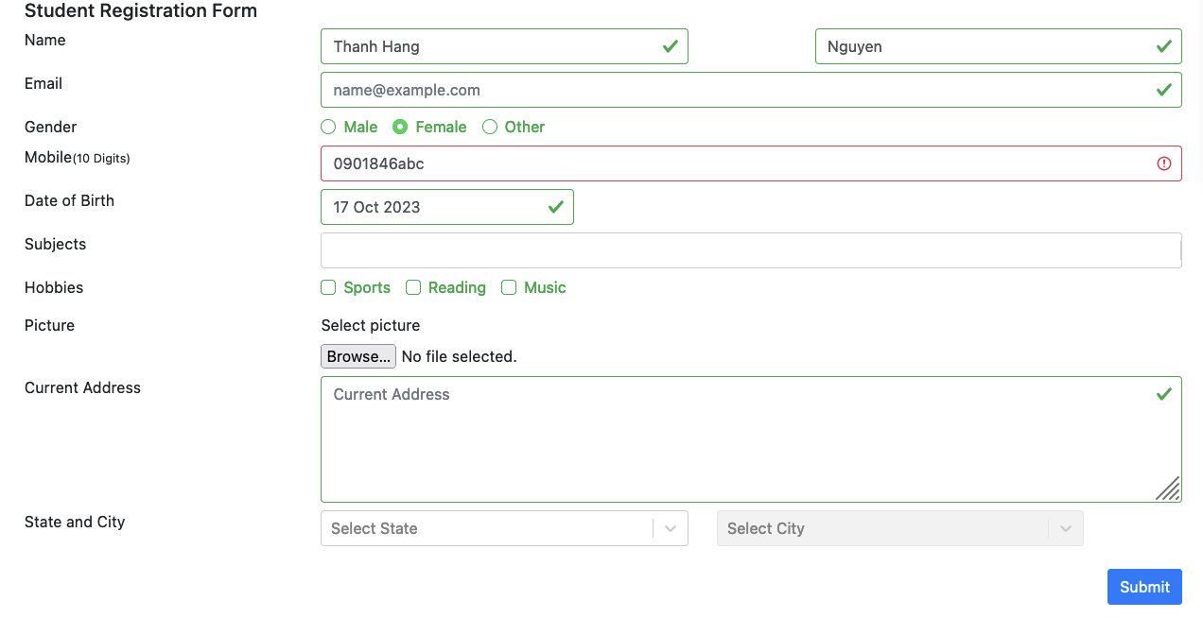 | PASS
TC_REGIS_024 |  | Verify there is a warning when user enters mobile field containing special characters |  | 1. Open the browser 2. Enter the mobile field containing special characters 3. Enter the valid data into the remaining mandatory fields 3. Click on "Submit" button | 090184650/ | The mobile field is highlighted with red border and contain an error symbol | 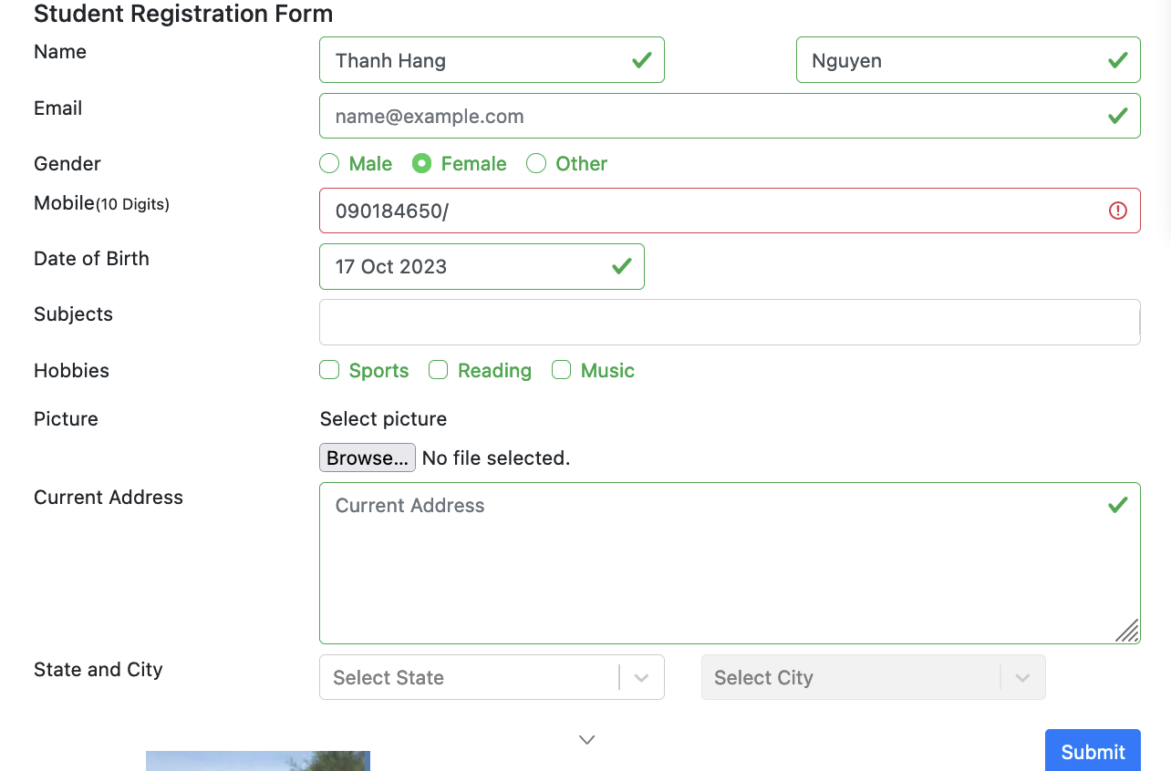 | PASS
TC_REGIS_025 |  | Verify there is a warning when user enters the mobile field with the same 10 digits |  | 1. Open the browser 2. Enter the mobile field with the same 10 digits 3. Enter the valid data into the remaining mandatory fields 3. Click on "Submit" button | 0000000000 | The mobile field is highlighted with red border and contain an error symbol | 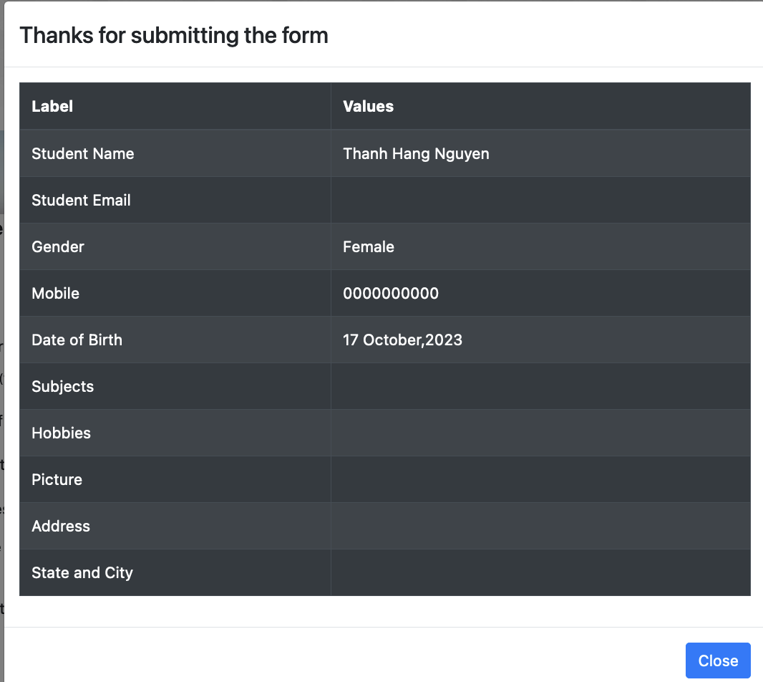 | FAIL
TC_REGIS_026 |  | Verify there is a warning when user enters the mobile field in order from 0 to 9 |  | 1. Open the browser 2. Enter the mobile field in order from 0 to 9 3. Enter the valid data into the remaining mandatory fields 3. Click on "Submit" button | 0123456789 | The mobile field is highlighted with red border and contain an error symbol | 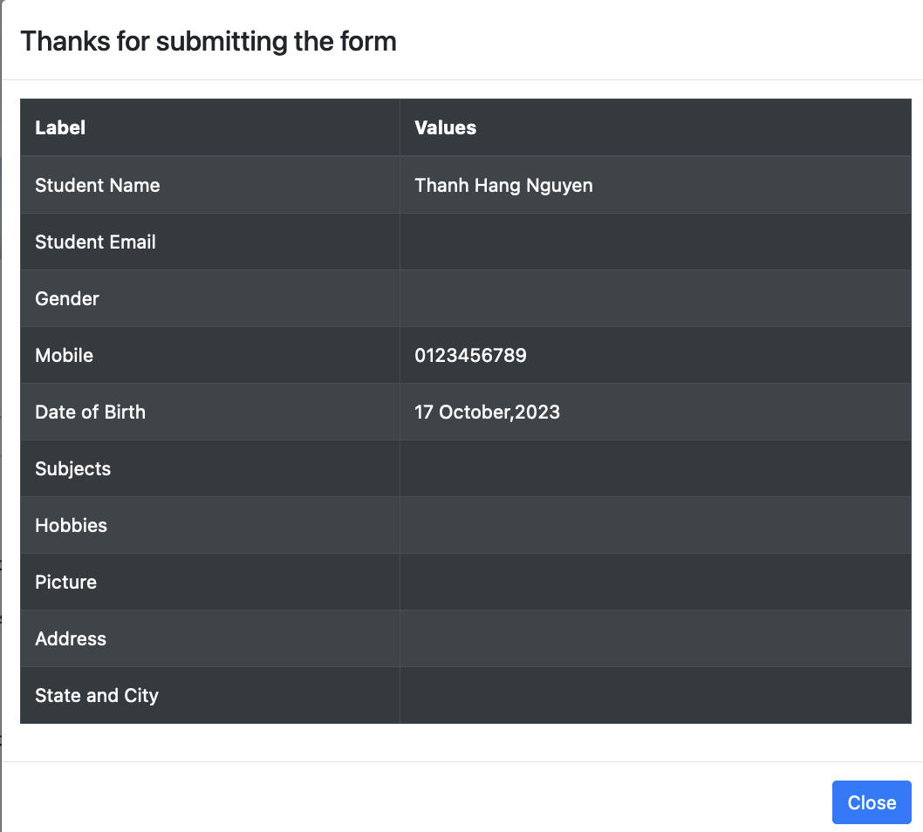 | FAIL
TC_REGIS_027 |  | Verify there is a warning when user enters the mobile field without starting with 0 |  | 1. Open the browser 2. Enter the mobile field without starting with 0 3. Enter the valid data into the remaining mandatory fields 3. Click on "Submit" button | 1902846504 | The mobile field is highlighted with red border and contain an error symbol | 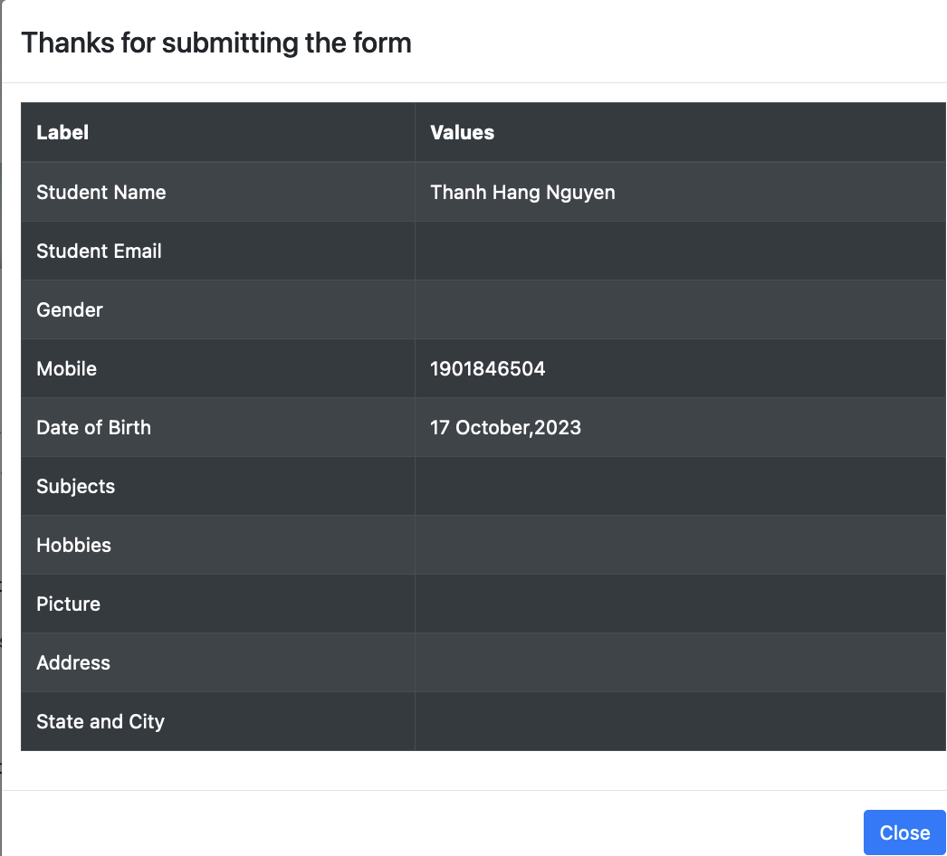 | FAIL
TC_REGIS_028 |  | Verify there is a warning message when user selects the date of birth greater than the current date |  | 1. Open the browser 2. Enter the valid value into the required fields 3. Click on date of birth field and select the future date 3. Click on "Submit" button | 20 Oct 2024 | Show an error message "Your date of birth is invalid. Please select again." | 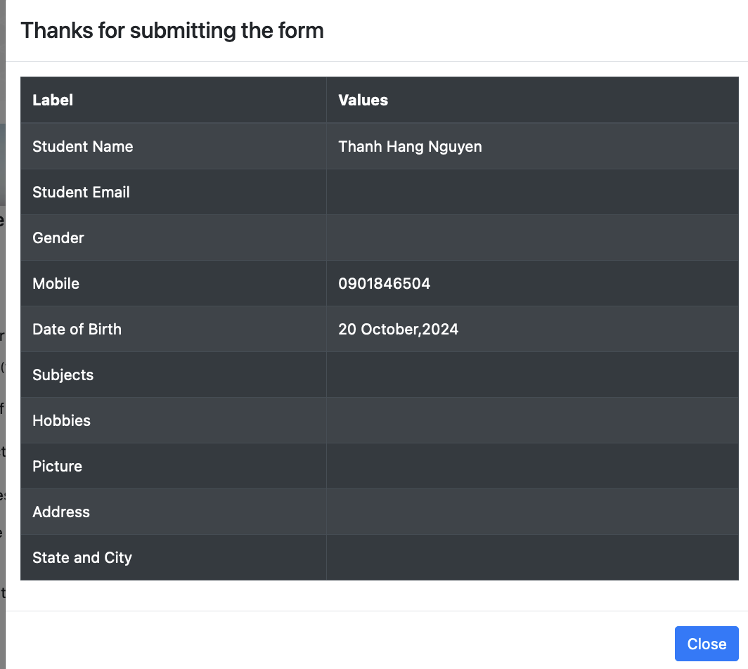 | FAIL
TC_REGIS_029 |  | Verify there is a warning message when user selects the date of birth as the current date |  | 1. Open the browser 2. Enter the valid value into the required fields 3. Choose the date of birth as the current date 4. Click on "Submit" button |  | Show an error message "Your date of birth is invalid. Please select again." | 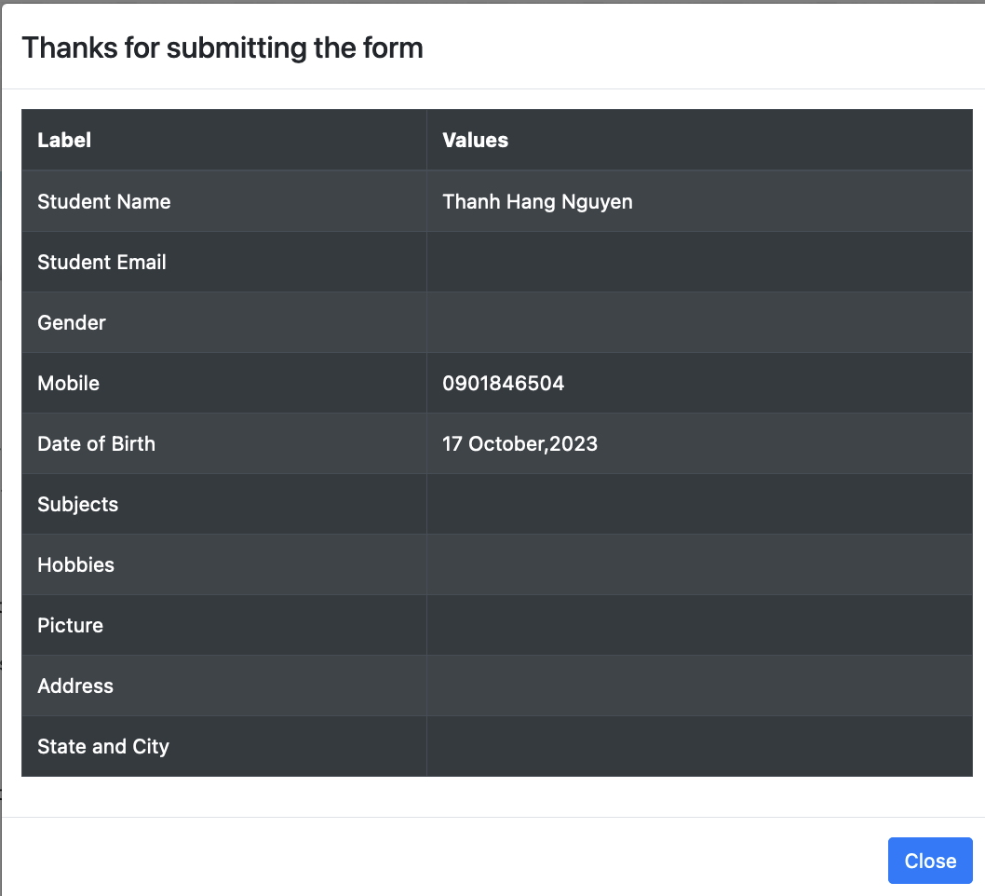 | FAIL
TC_REGIS_030 |  | Verify there is a warning message when user enters the subjects fields with numberic or special characters |  | 1. Open the browser 2. Enter the valid value into the required fields 3. Enter the subjects fields with numberic characters 4. Click on "Submit" button | 1234@# | The input should not be recorded | 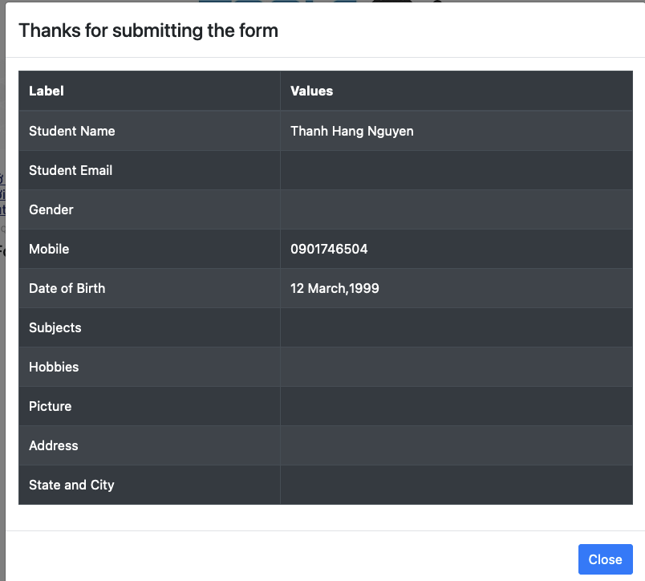 | PASS
TC_REGIS_031 |  | Verify there is a warning message when user upload invalid file types |  | 1. Open the browser 2. Enter the valid value into the required fields 3. Upload a document file 4. Click on "Submit" button |  | Show an error message "Only files with the following extensions arre allowed: png, gif, jpg, jpeg. | 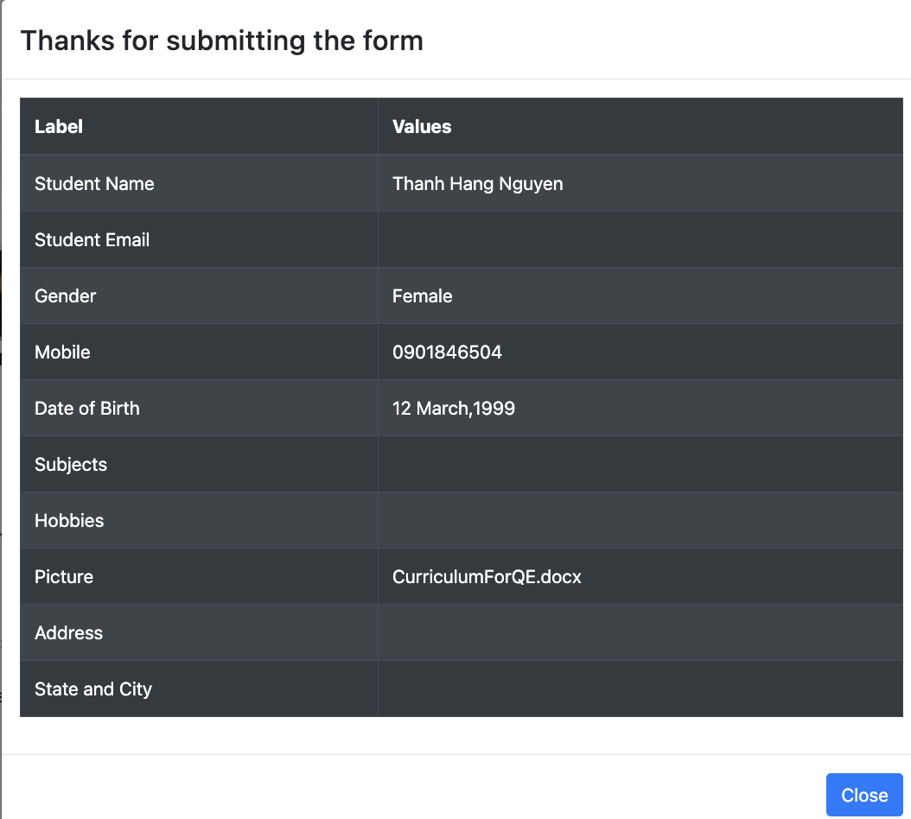 | FAIL
TC_REGIS_032 |  |  |  | 1. Open the browser 2. Enter the valid value into the required fields 3. Upload a video 4. Click on "Submit" button |  | Show an error message "Only files with the following extensions arre allowed: png, gif, jpg, jpeg. | 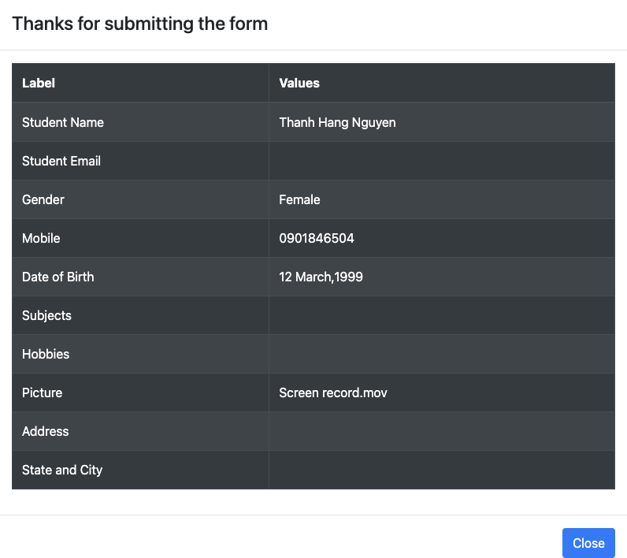 | FAIL
TC_REGIS_033 |  | Verify user cannot upload multiple pictures |  | 1. Open the browser 2. Enter the valid value into the required fields 3. Try to upload multiple pictures 4. Click on "Submit" button |  | User cannot upload multiples pictures | As expected | PASS

